Instructions
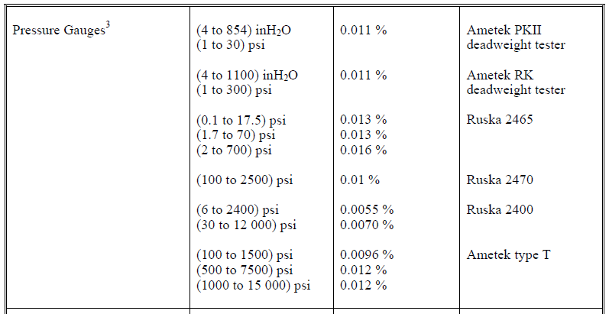
1. DC Voltage, DC Current and RTD Inputs:
Be aware that Martel 3001 or Fluke 5500A/5520A calibrators provide a low test uncertainty ratio (T.U.R.) when used by itself.
For best results, a Fluke 5700A calibrator should be used. (Note: 5700A only sources fixed point resistance; so it cannot be used for RTD input.)
For field calibrations, a Martel 3001 or Fluke 5500A/5520A calibrator can be characterized with a 3458A multimeter for sufficient T.U.R.
The uncertainty values on the Accredited tab are calculated as a calibrator characterized by a 3458A.

 |  |  | Martel | Fluke | Fluke | Fluke | Calibrator bounced
 |  |  | 3001 | 5500A | 5520A | 5700A | off of 3458A
 | 0 | V | 3.46 | 3.45 | 3.46 | 3.46 | 3.46 | <-- (T.U.R. limited by the resolution of the UUT.)
 | 15 | V | 3.84 | 3.67 | 6.43 | 6.76 | 6.52
 | 30 | V | 3.83 | 3.72 | 9.65 | 10.21 | 10.12

 | 4 | mA | 2.00 | 3.17 | 3.17 | 4.53 | 5.03
 | 12 | mA | 2.07 | 2.26 | 2.26 | 4.10 | 3.31
 | 20 | mA | 2.10 | 1.88 | 1.88 | 3.64 | 3.33
 |  |  |  |  |  |  | Calibrator or decade box
 |  |  |  |  |  | .01% Decade Box | bounced off of 3458A
(PT385, 100 Ω) | -40 | °C | 2.31 | 1.53 | 1.99 | 4.10 | 21.76
 | 0 | °C | 2.25 | 1.41 | 1.90 | 3.37 | 19.06
 | 150 | °C | 2.14 | 1.10 | 1.31 | 2.04 | 18.87

2. If a temperature reference is used for water or mercury, enter it in the "override defaults column" at left.
(Note: Put an apostrophe before the @ symbol; otherwise Excel throws a broken reference error.)

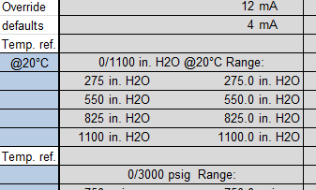

3. Decimal places are automatically fixed to the correct number for that particular range by some behind the
scenes conditional formatting sorcery. Do not copy readings from one range to another; the decimal places
in the destination cells will be overwritten by the copied cells.
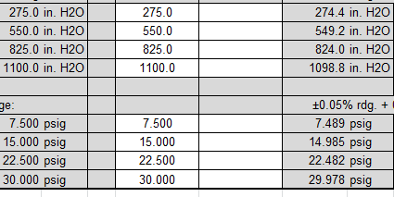

4. Pressures 300 PSI and below: Use Ametek RK-300/1100WC pneumatic deadweight tester; uncertainties are
calculated as 0.011% of reading according to the scope of accreditation. A mensor CPC6000 has roughly the
same uncertainty and may be used as well.

5. Pressures above 300 PSI: Use Ametek T-type hydraulic deadweight tester; uncertainties are calculated as
0.012% of range according to the scope of accreditation. A mensor CPC6000 has slightly better uncertainty and
may be used as well. NOTE: If using a test gauge and hand pump, be aware that most digital test gauges have
an accuracy of 0.05% or worse; leading to a T.U.R. of 1:1 or worse.

